Weapons
 | Name
 | Type
 | Skill bonus
 | Skill penalty
 | Standard Attack
 | St.Att. AP Cost
 | Special Attack
 | Sp.Att. AP Cost
 | Resource Required
 | Crafting Perk Required
 | Crafting Time
 | Crafting XP

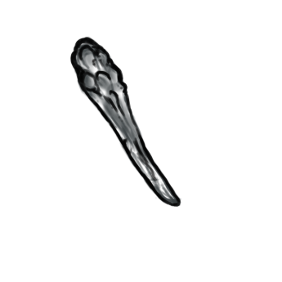 | Name | Wooden Club
 | Type | Blunt
 | Skill bonus | 1 AS
 | Skill penalty | none
 | Standard Attack | 2 D
 | St.Att. AP Cost | 2 AP
 | Special Attack | 20% cpa for dazed1
 | Sp.Att. AP Cost | none(passive)
 | Resource Required | 2 wood
 | Crafting Perk Required | none
 | Crafting Time | 1 Turn
 | Crafting XP | N XP

